Sheet1
Scene No. | 2
Quest Title | 料理邀请
Quest Log | 到幽静森林打败 12个功夫鼠洛回复莫古
Map No. | 60
 | 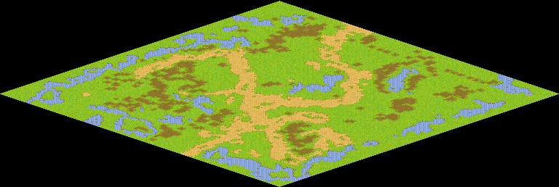
NPC No.
Condition
Dialog
Select
Result

NPC No.
Condition
Dialog
Select
Result

ScriptFile

